1
 | FURUKAWA AUTOMOTIVE SYSTEMS LIMA PHILIPPINES, INC. |  |  |  |  | Employee Management System Work Instructions |  |  |  |  |  | DOCUMENT TYPE: | WORK INSTRUCTION | PAGE NO.: | 1 / 5
 |  |  |  |  |  |  |  |  |  |  |  | DOCUMENT NO.: | REVISION NO.: | EFFECTIVITY DATE:
 |  |  |  |  |  |  |  |  |  |  |  | 1 | 3 | 2026-04-20
CAR MODEL |  | MATERIALS |  |  |  |  |  | DEVICES / EQUIPMENT USED |  |  | REFERENCE
N/A |  | Computer Application |  |  |  |  |  | Computer |  |  | N/A

FORMS |  |  |  |  | PURPOSE |  |  |  | SCOPE
 |  |  |  |  | To provide work instructions on how to update employee details for production using Employee Management System. |  |  |  | To detail the process on how to update the employee details, skill level and line shifting schedule using Employee Management System.


Get started by going to your dektop and look for your Employee Management System Logo. URL : http://172.25.116.188:3000/emp_mgt/
1
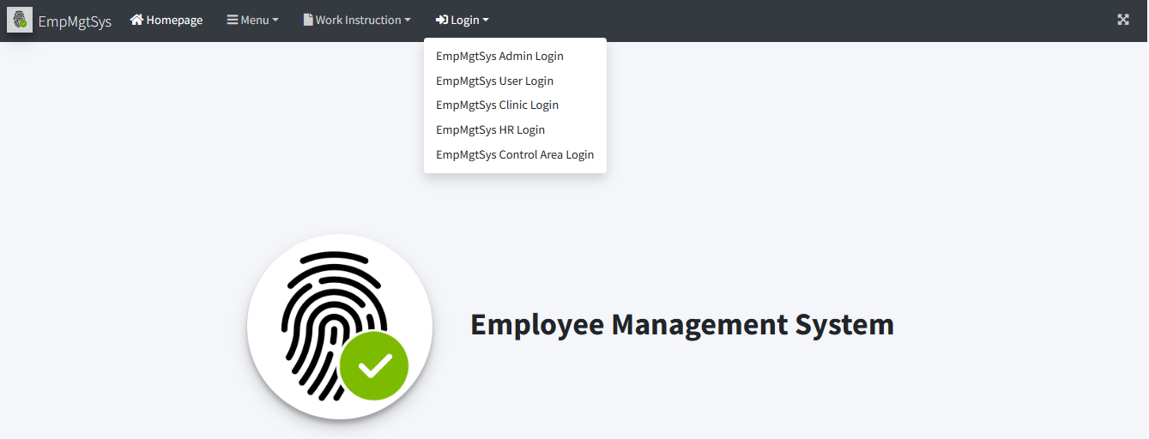
Choose "EmpMgtSys Control Area Login" Menu Item.
3
EmpMgtSys Control Area Login

5.1

You may search for the employee list by typing or filtering on input fields and dropdown lists.

 |  |  |  |  |  |  |  |  |  | Amazon.com: Ethernet Cable Labels
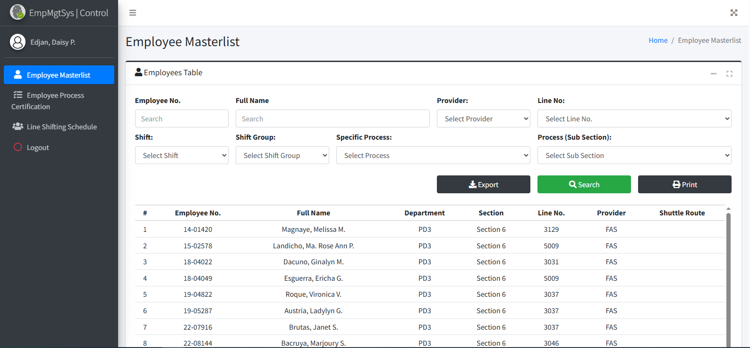

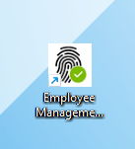

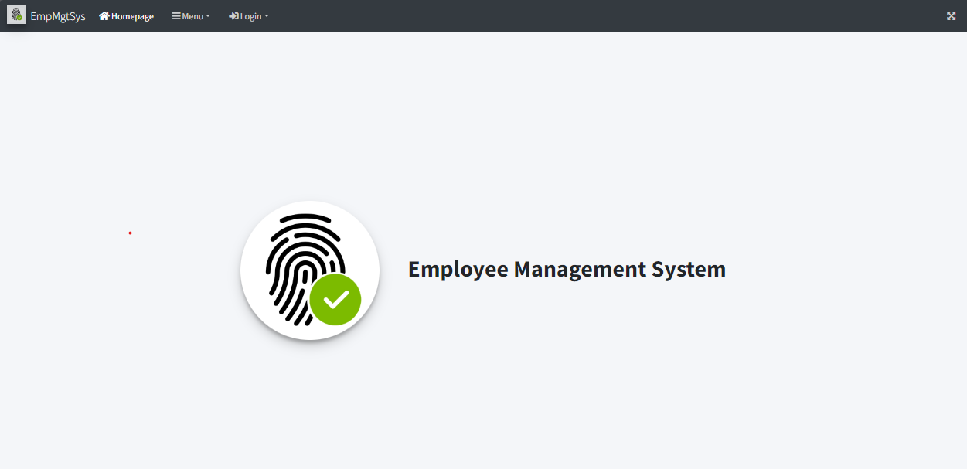
Access Employee Management System - Viewer Page
2

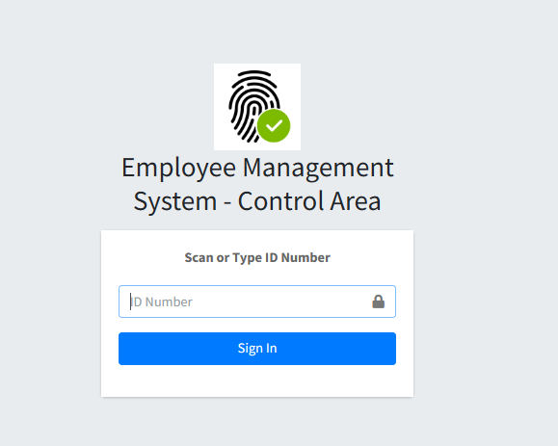
Login to Employee Management System - Control Area using Control Area Account Credentials (Only for Staff and Supervisor). . Enter the ID number to access the system.
4

 |  |  |  |  |  |  |  |  |  |  |  |  |  |  |  | s

0
DR/CN No. |  |  | Revision No. | Effectivity Date |  |  | Details of change
 |  |  | 1 |  |  |  | First Issue
 |  |  | 2 |  |  |  | Employee Masterlist, Process Certification and Line Shifting Update
 |  |  | 3 | 20-Apr-26 |  |  | Absent Report Filing

2
 | FURUKAWA AUTOMOTIVE SYSTEMS LIMA PHILIPPINES, INC. |  |  |  |  | Employee Management System Work Instructions |  |  |  |  |  | DOCUMENT TYPE: | WORK INSTRUCTION | PAGE NO.: | 2 / 5
 |  |  |  |  |  |  |  |  |  |  |  | DOCUMENT NO.: | REVISION NO.: | EFFECTIVITY DATE:
 |  |  |  |  |  |  |  |  |  |  |  | 1 | 3 | 2026-04-20
CAR MODEL |  | MATERIALS |  |  |  |  |  | DEVICES / EQUIPMENT USED |  |  | REFERENCE
N/A |  | Computer Application |  |  |  |  |  | Computer |  |  | N/A

FORMS |  |  |  |  | PURPOSE |  |  |  | SCOPE
 |  |  |  |  | To provide work instructions on how to update employee details for production using Employee Management System. |  |  |  | To detail the process on how to update the employee details, skill level and line shifting schedule using Employee Management System.

Click your desired row from the table.
5.2

6.1
To update skill level, click Employee Process Certification on side bar menu. This page below will be shown. Before to search for specific employee to change its skill level, choose from the category dropdown below.
6.3
Select from the Skill Level Dropdown List and click Update Button if done.

 |  |  |  |  |  |  |  |  |  | Amazon.com: Ethernet Cable Labels

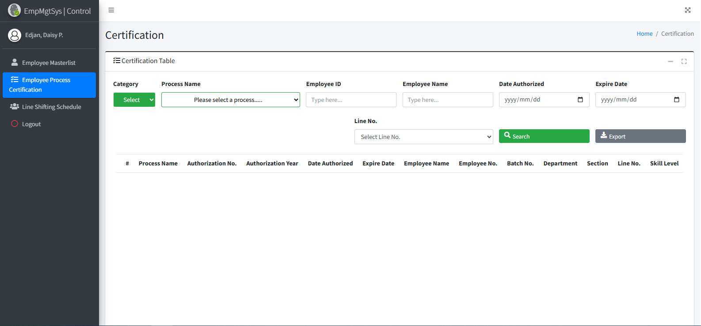
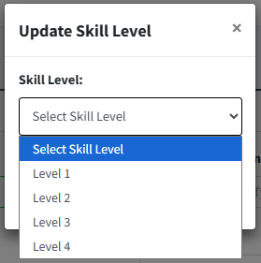

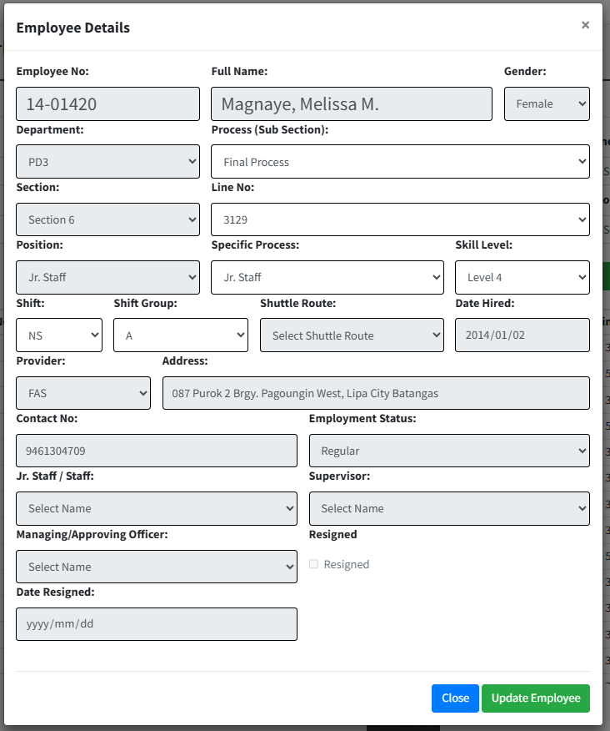

6.2
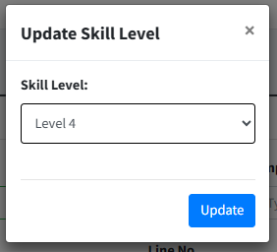
5.3
Click your desired row from the table of which specific process to update its skill level.
Type updated employees information from the input fields provided. Only Line No., Process and Shift Group input fields are enabled. Click Update Employee Button to update single employee information.

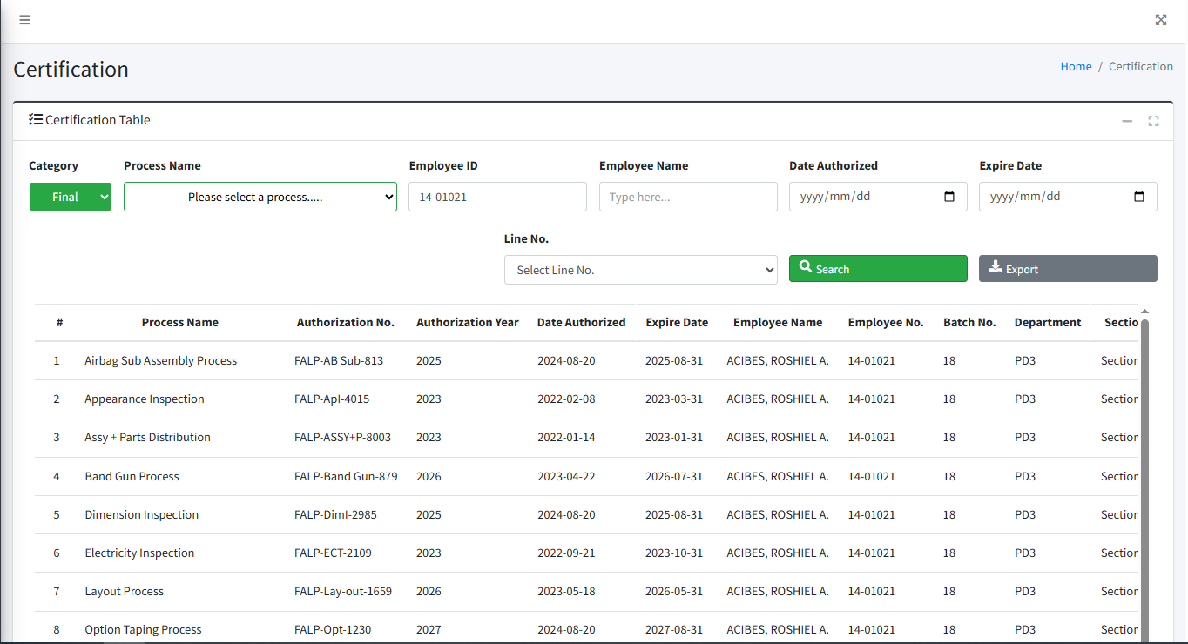

 |  |  |  |  |  |  |  |  |  |  |  |  |  |  |  | s

0
DR/CN No. |  |  | Revision No. | Effectivity Date |  |  | Details of change
 |  |  | 1 |  |  |  | First Issue
 |  |  | 2 |  |  |  | Employee Masterlist, Process Certification and Line Shifting Update
 |  |  | 3 | 20-Apr-26 |  |  | Absent Report Filing

3
 | FURUKAWA AUTOMOTIVE SYSTEMS LIMA PHILIPPINES, INC. |  |  |  |  | Employee Management System Work Instructions |  |  |  |  |  | DOCUMENT TYPE: | WORK INSTRUCTION | PAGE NO.: | 3 / 5
 |  |  |  |  |  |  |  |  |  |  |  | DOCUMENT NO.: | REVISION NO.: | EFFECTIVITY DATE:
 |  |  |  |  |  |  |  |  |  |  |  | 1 | 3 | 2026-04-20
CAR MODEL |  | MATERIALS |  |  |  |  |  | DEVICES / EQUIPMENT USED |  |  | REFERENCE
N/A |  | Computer Application |  |  |  |  |  | Computer |  |  | N/A

FORMS |  |  |  |  | PURPOSE |  |  |  | SCOPE
 |  |  |  |  | To provide work instructions on how to update employee details for production using Employee Management System. |  |  |  | To detail the process on how to update the employee details, skill level and line shifting schedule using Employee Management System.

7.1
7.3

To set line shifting, click Line Shifting Schedule from side bar menu. This page below will be shown. Click Line Shifting Button.
After scheduling line shifting, this will appear as row in line shifting schedule table. You may search for specific schedule using these filters. The legend can help us to check action column icons. If trash icon appear, you can delete schedule by clicking it. A confirmation box will appear.

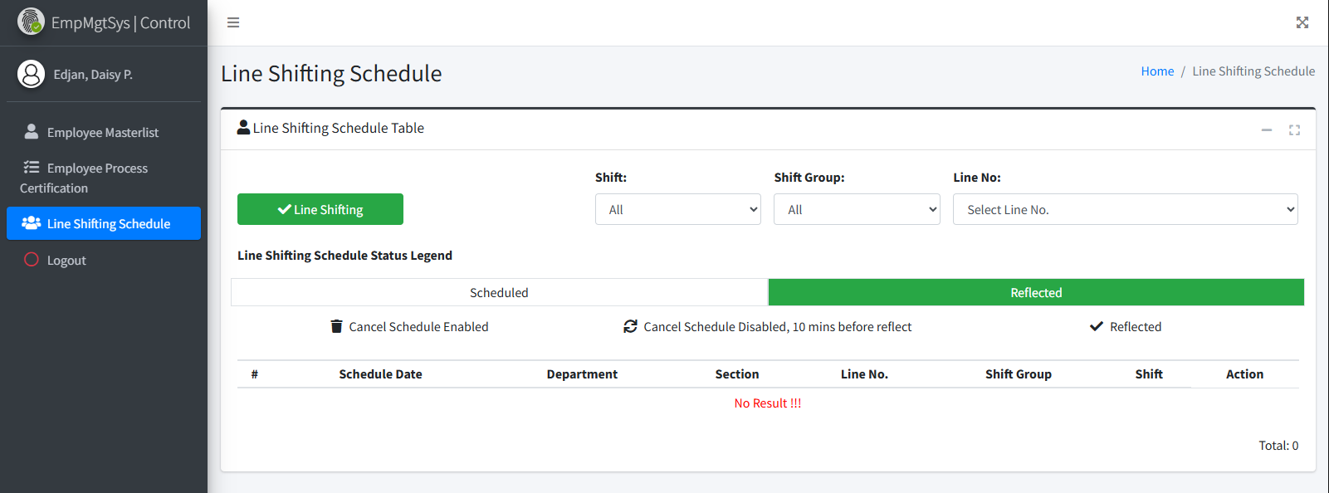
 |  |  |  |  |  |  |  |  |  | Amazon.com: Ethernet Cable Labels

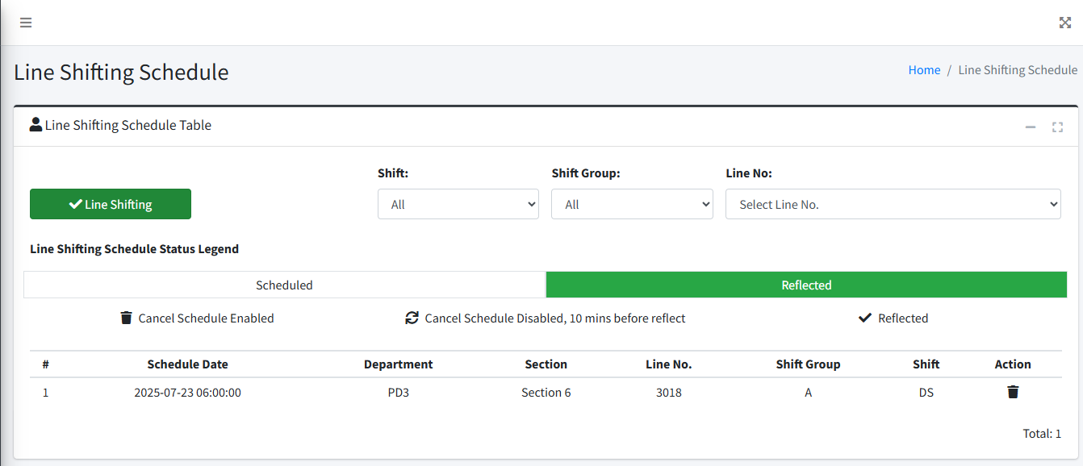

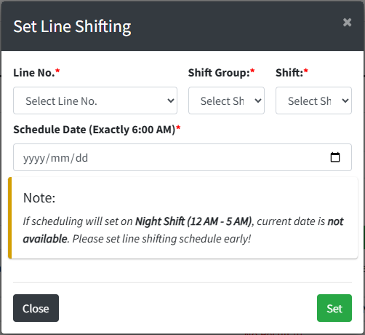

7.2

Fill out line shifting schedule input fields. Select specific line or choose "All" if all lines from line no. dropdown. Read the note carefully. Click Set Button to schedule line shifting.
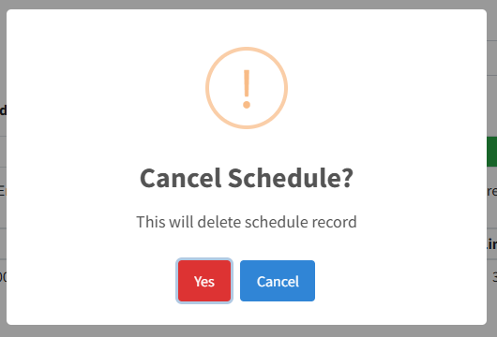
7.4

Click Yes to confirm deletion of schedule record.

 |  |  |  |  |  |  |  |  |  |  |  |  |  |  |  | s

0
DR/CN No. |  |  | Revision No. | Effectivity Date |  |  | Details of change
 |  |  | 1 |  |  |  | First Issue
 |  |  | 2 |  |  |  | Employee Masterlist, Process Certification and Line Shifting Update
 |  |  | 3 | 20-Apr-26 |  |  | Absent Report Filing

4
 | FURUKAWA AUTOMOTIVE SYSTEMS LIMA PHILIPPINES, INC. |  |  |  |  | Employee Management System Work Instructions |  |  |  |  |  | DOCUMENT TYPE: | WORK INSTRUCTION | PAGE NO.: | 4 / 5
 |  |  |  |  |  |  |  |  |  |  |  | DOCUMENT NO.: | REVISION NO.: | EFFECTIVITY DATE:
 |  |  |  |  |  |  |  |  |  |  |  | 1 | 3 | 2026-04-20
CAR MODEL |  | MATERIALS |  |  |  |  |  | DEVICES / EQUIPMENT USED |  |  | REFERENCE
N/A |  | Computer Application |  |  |  |  |  | Computer |  |  | N/A

FORMS |  |  |  |  | PURPOSE |  |  |  | SCOPE
 |  |  |  |  | To provide work instructions on how to update employee details for production using Employee Management System. |  |  |  | To detail the process on how to update the employee details, skill level and line shifting schedule using Employee Management System.

8.1.2
8.1.5
8.1
To filter all present or all absent, use that dropdown on the left side. Those button on the right side can be use for exporting attendance count, absences report and attendance list on current section.
Choose from the dropdown of specific row to set absent reason of specific employee. This will automatically update absent report record including absent type and date
To add or update absent report data, click attendances menu item

 |  |  |  |  |  |  |  |  |  | Amazon.com: Ethernet Cable Labels
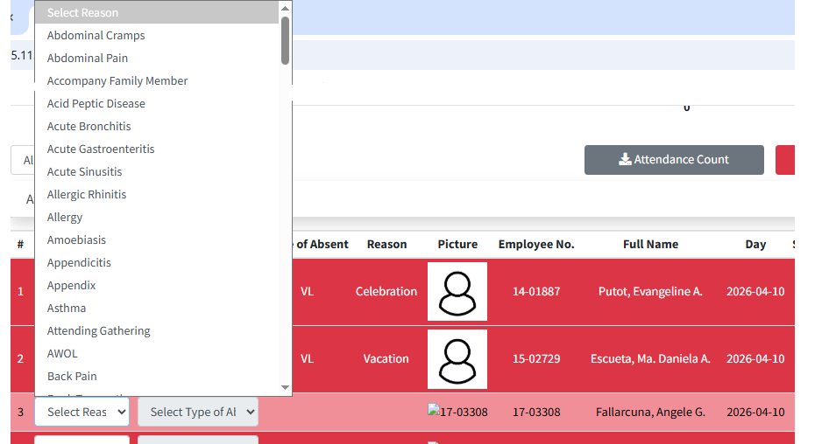

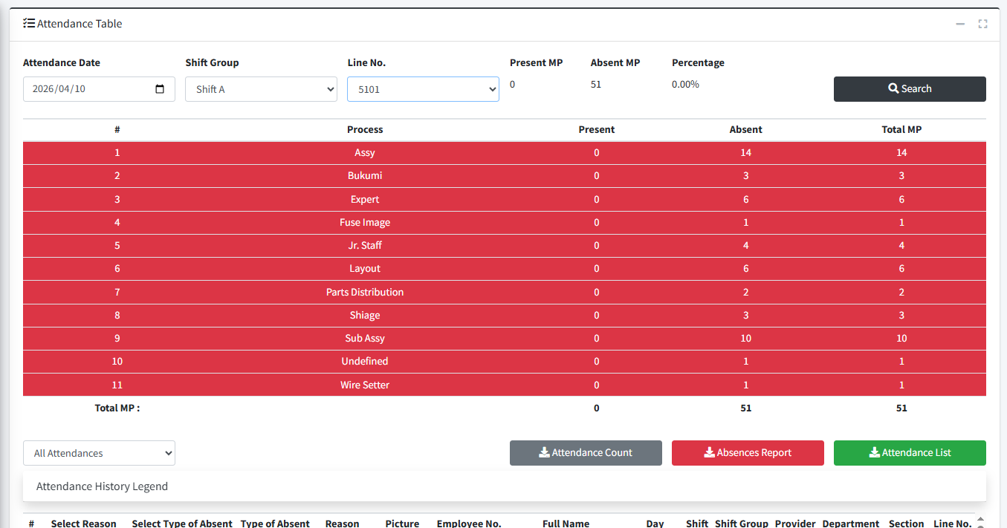

8.1.6

8.1.1
The result after choosing from dropdown shown below. if you wish to delete record filed, click the trash icon button.

The attendance page will appear. Use search filters to find specific absent report data to update.

8.1.3
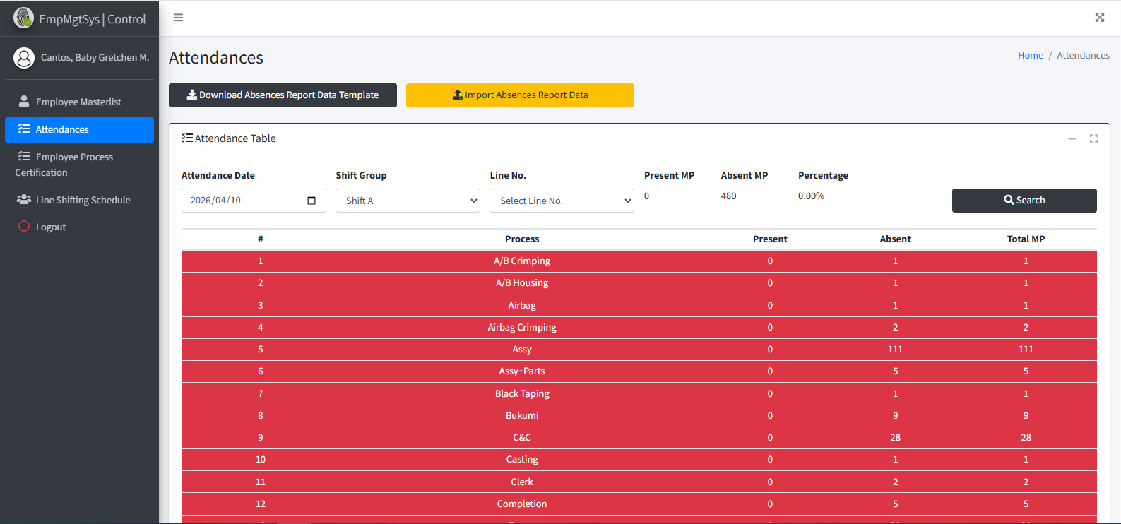

The result will shown below

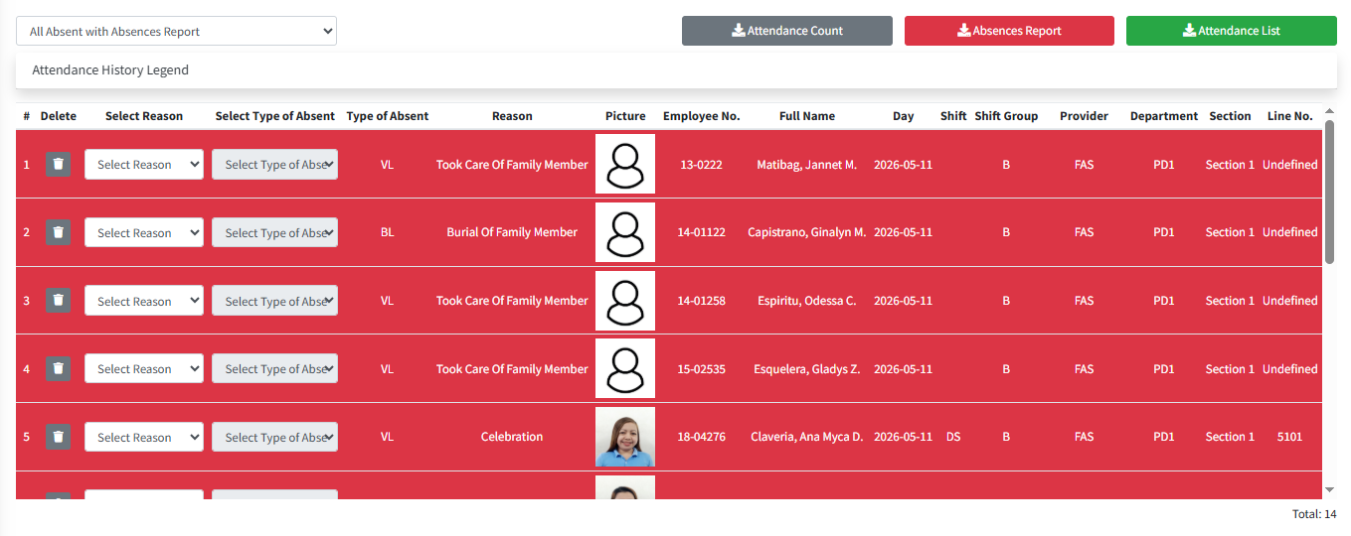

 |  |  |  |  |  |  |  |  |  |  |  |  |  |  |  | s

0
DR/CN No. |  |  | Revision No. | Effectivity Date |  |  | Details of change
 |  |  | 1 |  |  |  | First Issue
 |  |  | 2 |  |  |  | Employee Masterlist, Process Certification and Line Shifting Update
 |  |  | 3 | 20-Apr-26 |  |  | Absent Report Filing

5
 | FURUKAWA AUTOMOTIVE SYSTEMS LIMA PHILIPPINES, INC. |  |  |  |  | Employee Management System Work Instructions |  |  |  |  |  | DOCUMENT TYPE: | WORK INSTRUCTION | PAGE NO.: | 5 / 5
 |  |  |  |  |  |  |  |  |  |  |  | DOCUMENT NO.: | REVISION NO.: | EFFECTIVITY DATE:
 |  |  |  |  |  |  |  |  |  |  |  | 1 | 3 | 2026-04-20
CAR MODEL |  | MATERIALS |  |  |  |  |  | DEVICES / EQUIPMENT USED |  |  | REFERENCE
N/A |  | Computer Application |  |  |  |  |  | Computer |  |  | N/A

FORMS |  |  |  |  | PURPOSE |  |  |  | SCOPE
 |  |  |  |  | To provide work instructions on how to update employee details for production using Employee Management System. |  |  |  | To detail the process on how to update the employee details, skill level and line shifting schedule using Employee Management System.

8.2.1

To add or update multiple absent report records, use this buttons below. First, click download absent report data template button. This will download the template for inputting all absent report record data. It also has employees data based on search filter. If you need absences reasons list as guide, click download absences reasons list button.

 |  |  |  |  |  |  |  |  |  | Amazon.com: Ethernet Cable Labels

8.2.2

Type or paste all absent report record data starting from cell F3. If specific employee needs filling, delete other rows not needed. Note that you don't need to delete row 1 and 2 since this was the header and sample data row required for importing data. The sample data row will be ignored during importation. Don't forget to save the file once it was done.

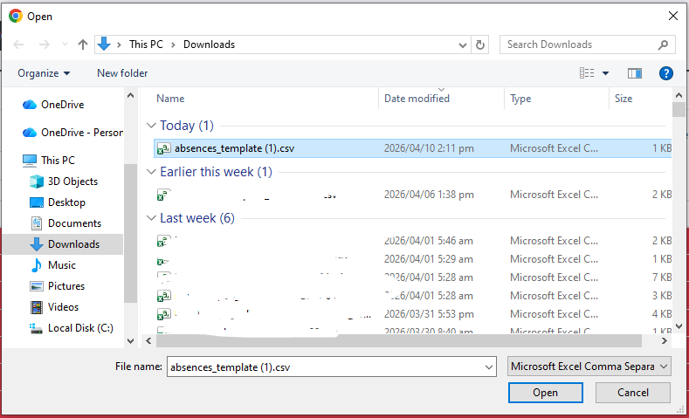
 |  |  |  |  |  |  |  |  |  |  |  |  |  |  | \
8.2.3

After saving the template with absent report data, click import absent report data button. A dialog box will appear. Choose the saved template with absent report data to import. This will take a while and wait until it is finished.

 |  |  |  |  |  |  |  |  |  |  |  |  |  |  |  | s

0
DR/CN No. |  |  | Revision No. | Effectivity Date |  |  | Details of change
 |  |  | 1 |  |  |  | First Issue
 |  |  | 2 |  |  |  | Employee Masterlist, Process Certification and Line Shifting Update
 |  |  | 3 | 20-Apr-26 |  |  | Absent Report Filing

